Overview
What Is a Boxplot?
The "box" marks the position of the quartiles.
In a symmetric distribution, the median Q₂ is at the middle of the "box."

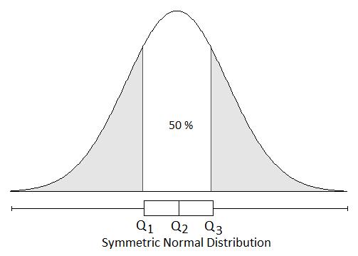



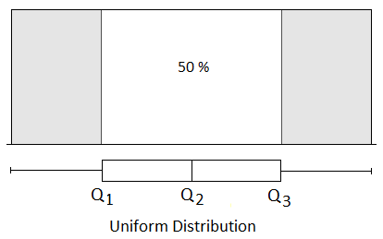

The ends of the "whiskers" show x_{min} and x_{max}.

In a skewed distribution, the median Q₂ is not at the middle of the "box" but is offset towards the mode.
Even in a skewed distribution, the the "box" indicates the middle 50% and each tail contains 25%.

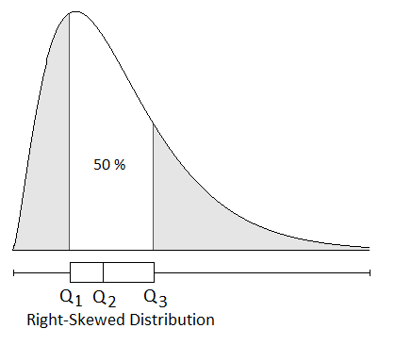
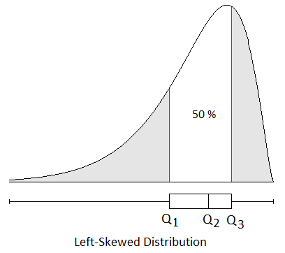

Sample quartiles are only estimates of population quartiles, but a sample boxplot does suggest the shape of the population being sampled.

Normal
Note You can change the mean and st. dev.
Normal Population |  |  | Mean | 50
Press F9 for a new sample.
 | Sample |  | Normal
24 | 1.5 | 15 | 4.5
36 | 1.5 | 40 | 4.5
36 | 2.5 | 40 | 5.5
60 | 2.5 | 60 | 5.5
60 | 0.5 | 60 | 3.5
36 | 0.5 | 40 | 3.5
36 | 2.5 | 40 | 5.5
60 | 1.5 | 60 | 4.5
73 | 1.5 | 85 | 4.5
 |  |  | 3
49 | 0.5 | 50 | 3.5
49 | 2.5 | 50 | 5.5
60 | 2.5 | 60 | 5.5
60 | 0.5 | 60 | 3.5
 |  |  | St. Dev. | 15

Sample of 50 Items
45.68 | 46.47 | 35.74 | 35.27 | 47.25
28.82 | 57.28 | 43.65 | 58.17 | 47.44
29.79 | 52.97 | 24.25 | 32.18 | 37.59
29.91 | 33.27 | 67.09 | 47.79 | 72.76
52.75 | 72.04 | 62.01 | 63.88 | 50.90
36.34 | 52.90 | 53.01 | 59.60 | 25.63
57.75 | 55.72 | 69.44 | 36.80 | 59.85
55.15 | 64.71 | 35.62 | 35.13 | 61.46
32.20 | 26.47 | 63.44 | 70.58 | 60.04
69.73 | 63.65 | 41.44 | 36.21 | 38.46

Sample Box Plot Setup |  |  |  |  |  | Min | Q1 | Q2 | Q3 | Max | Expected Box Plot Setup
Item | X | Y |  |  | Sample | 24.25 | 35.86 | 49.34 | 59.99 | 72.76 | Item | X | Y
Min | 24 | 1.5 |  |  | Expected | 15.10 | 39.88 | 50.00 | 60.13 | 84.90 | Min | 15 | 4.5
Q1 | 36 | 1.5 |  |  |  |  |  |  |  |  | Q1 | 40 | 4.5
Exercises (1) Examine the normal boxplot (shown in blue). In a normal distrbution, the quartiles are ± 0.675 standard deviations from the mean, so the box is narrower than the range. Is this true in most of the samples, as you press F9 a few times? (2) As you press F9 a few times, compare the sample quartiles (shown in red) to the normal boxplot (shown in blue). How stable are the quartiles from sample to sample? (3) Watch the end points of the sample boxplot as you press F9 a few times. Are the end points more or less stable than the quartiles? (4) In general, did your samples usually resemble the normal population boxplot? (4) press F9 ten times. What percentage of the time did you get a boxplot that definitely did not look like the normal boxplot? What is the implication?
Q1 | 36 | 2.5 |  |  |  |  |  |  |  |  | Q1 | 40 | 5.5
Q3 | 60 | 2.5 |  |  |  |  |  |  |  |  | Q3 | 60 | 5.5
Q3 | 60 | 0.5 |  |  |  |  |  |  |  |  | Q3 | 60 | 3.5
Q1 | 36 | 0.5 |  |  |  |  |  |  |  |  | Q1 | 40 | 3.5
Q1 | 36 | 2.5 |  |  |  |  |  |  |  |  | Q1 | 40 | 5.5

Q3 | 60 | 1.5 |  |  |  |  |  |  |  |  | Q3 | 60 | 4.5
Max | 73 | 1.5 |  |  |  |  |  |  |  |  | Max | 85 | 4.5
 |  |  |  |  |  |  |  |  |  |  |  |  | 3
Q2 | 49 | 0.5 |  |  |  |  |  |  |  |  | Q2 | 50 | 3.5
Q2 | 49 | 2.5 |  |  |  |  |  |  |  |  | Q2 | 50 | 5.5
Source See Rick Hesse, "Box and Whiskers Plots," Decision Line, March, 1997, pp. 17-18. You can change the display format of sample or quartiles to see more decimals. Expected statistics are based on the normal distribution. The min and max are F⁻¹[(i-0.5)/n] using i = 1, i = 50, and n = 50. For further explanation, see Ralph B. D'Agostino and Michael A. Stephens, Goodness of Fit Techniques (Marcel Dekker, Inc., 1986, p. 25.
Q3 | 60 | 2.5 |  |  |  |  |  |  |  |  | Q3 | 60 | 5.5
Q3 | 60 | 0.5 |  |  |  |  |  |  |  |  | Q3 | 60 | 3.5

Uniform
Note You can change the min and max.
Uniform Population |  |  | Min | 16
Press F9 for a new sample.
 | Sample |  | Uniform
17 | 1.5 | 16 | 4.5
34 | 1.5 | 33 | 4.5
34 | 2.5 | 33 | 5.5
62 | 2.5 | 68 | 5.5
62 | 0.5 | 68 | 3.5
34 | 0.5 | 33 | 3.5
34 | 2.5 | 33 | 5.5
62 | 1.5 | 68 | 4.5
84 | 1.5 | 85 | 4.5
 |  |  | 3
46 | 0.5 | 51 | 3.5
46 | 2.5 | 51 | 5.5
62 | 2.5 | 68 | 5.5
62 | 0.5 | 68 | 3.5
 |  |  | Max | 85

Sample of 50 Items
71.02 | 47.21 | 65.21 | 57.25 | 53.15
57.91 | 60.48 | 60.59 | 37.89 | 73.23
33.64 | 43.54 | 26.63 | 27.73 | 41.55
77.19 | 38.20 | 43.58 | 31.44 | 73.90
83.73 | 22.85 | 49.70 | 67.64 | 46.56
40.92 | 53.49 | 82.94 | 28.11 | 18.35
45.79 | 39.89 | 58.91 | 81.89 | 18.34
17.46 | 40.39 | 46.61 | 26.35 | 61.94
77.60 | 28.45 | 54.74 | 30.17 | 67.03
43.25 | 33.92 | 68.36 | 24.95 | 38.76

Sample Box Plot Setup |  |  |  |  |  | Min | Q1 | Q2 | Q3 | Max | Expected Box Plot Setup
Item | X | Y |  |  | Sample | 17.46 | 33.71 | 46.17 | 61.60 | 83.73 | Item | X | Y
Min | 17 | 1.5 |  |  | Population | 16.00 | 33.25 | 50.50 | 67.75 | 85.00 | Min | 16 | 4.5
Exercises (1) Examine the uniform boxplot (shown in blue). How is the position of the quartiles and end points determined? (2) As you press F9 a few times, compare the sample quartiles (shown in red) to the uniform boxplot (shown in blue). How stable are the quartiles from sample to sample? (3) Watch the end points of the sample boxplot as you press F9 a few times. Are the end points more or less stable than the quartiles? (4) In general, did your samples usually resemble the expected uniform boxplot? (5) press F9 ten times. What percentage of the time did you get a boxplot that definitely did not look like the uniform boxplot? What is the implication?
Q1 | 34 | 1.5 |  |  |  |  |  |  |  |  | Q1 | 33 | 4.5

Q1 | 34 | 2.5 |  |  |  |  |  |  |  |  | Q1 | 33 | 5.5
Q3 | 62 | 2.5 |  |  |  |  |  |  |  |  | Q3 | 68 | 5.5
Q3 | 62 | 0.5 |  |  |  |  |  |  |  |  | Q3 | 68 | 3.5
Q1 | 34 | 0.5 |  |  |  |  |  |  |  |  | Q1 | 33 | 3.5
Q1 | 34 | 2.5 |  |  |  |  |  |  |  |  | Q1 | 33 | 5.5

Q3 | 62 | 1.5 |  |  |  |  |  |  |  |  | Q3 | 68 | 4.5
Max | 84 | 1.5 |  |  |  |  |  |  |  |  | Max | 85 | 4.5
 |  |  |  |  |  |  |  |  |  |  |  |  | 3
Source See Rick Hesse, "Box and Whiskers Plots," Decision Line, March, 1997, pp. 17-18. You can change the display format of sample or quartiles to see more decimals. Expected statistics are based on the normal distribution. The min and max are F⁻¹[(i-0.5)/n] using i = 1, i = 50, and n = 50. For further explanation, see Ralph B. D'Agostino and Michael A. Stephens, Goodness of Fit Techniques (Marcel Dekker, Inc., 1986, p. 25.
Q2 | 46 | 0.5 |  |  |  |  |  |  |  |  | Q2 | 51 | 3.5
Q2 | 46 | 2.5 |  |  |  |  |  |  |  |  | Q2 | 51 | 5.5

Q3 | 62 | 2.5 |  |  |  |  |  |  |  |  | Q3 | 68 | 5.5
Q3 | 62 | 0.5 |  |  |  |  |  |  |  |  | Q3 | 68 | 3.5

Skewed
Note You can change the degree of skewness.
Press F9 for a new sample.
 | Sample |  | Expected
0 | 1.5 | 0 | 4.5
2 | 1.5 | 2 | 4.5
2 | 2.5 | 2 | 5.5
5 | 2.5 | 5 | 5.5
5 | 0.5 | 5 | 3.5
2 | 0.5 | 2 | 3.5
2 | 2.5 | 2 | 5.5
5 | 1.5 | 5 | 4.5
12 | 1.5 | 13 | 4.5
 |  |  | 3
3 | 0.5 | 3 | 3.5
3 | 2.5 | 3 | 5.5
5 | 2.5 | 5 | 5.5
5 | 0.5 | 5 | 3.5
Skewed Population |  |  | Degree of Skewness
 |  |  |  | 2

Sample of 50 Items
4.96 | 4.17 | 1.43 | 4.37 | 2.74 |  |  |  |  |  |  | Slight
1.88 | 3.82 | 2.03 | 3.91 | 2.39 |  |  |  |  |  |  | Medium
1.88 | 4.11 | 1.56 | 1.28 | 2.83 |  |  |  |  |  |  | Strong
7.02 | 11.70 | 5.85 | 1.43 | 2.43 |  |  |  |  |  |  | D.F. | 4
1.89 | 1.57 | 8.33 | 4.58 | 5.22 |  |  |  |  |  |  | Control | 2
1.90 | 3.06 | 4.63 | 2.41 | 3.50
7.06 | 3.09 | 3.15 | 3.33 | 1.29
1.10 | 4.55 | 1.51 | 7.12 | 4.01
4.94 | 2.27 | 0.36 | 2.41 | 5.88
4.56 | 2.02 | 3.06 | 6.41 | 2.54

Sample Box Plot Setup |  |  |  |  |  | Min | Q1 | Q2 | Q3 | Max | Expected Box Plot Setup
Item | X | Y |  |  | Sample | 0.36 | 1.93 | 3.08 | 4.57 | 11.70 | Item | X | Y
Min | 0 | 1.5 |  |  | Population | 0.30 | 1.92 | 3.36 | 5.39 | 13.28 | Min | 0 | 4.5
Q1 | 2 | 1.5 |  |  |  |  |  |  |  |  | Q1 | 2 | 4.5
Exercises (1) Examine the population boxplot (shown in blue). Examine the position of the median within the box, and the length of the each tail. Does its appearance reflect the desired degree of skewness (slight, medium, strong)? (2) As you press F9 a few times, compare the sample quartiles (shown in red) to the expected boxplot (shown in blue). How stable are the quartiles from sample to sample? (3) Watch the end points of the sample boxplot as you press F9 a few times. Are the end points more or less stable than the quartiles? (4) In general, did your samples usually resemble the population boxplot? (5) press F9 ten times. What percentage of the time did you get a boxplot that definitely did not look like the expected boxplot? What is the implication?
Q1 | 2 | 2.5 |  |  |  |  |  |  |  |  | Q1 | 2 | 5.5
Q3 | 5 | 2.5 |  |  |  |  |  |  |  |  | Q3 | 5 | 5.5
Q3 | 5 | 0.5 |  |  |  |  |  |  |  |  | Q3 | 5 | 3.5
Q1 | 2 | 0.5 |  |  |  |  |  |  |  |  | Q1 | 2 | 3.5
Q1 | 2 | 2.5 |  |  |  |  |  |  |  |  | Q1 | 2 | 5.5

Q3 | 5 | 1.5 |  |  |  |  |  |  |  |  | Q3 | 5 | 4.5
Max | 12 | 1.5 |  |  |  |  |  |  |  |  | Max | 13 | 4.5
 |  |  |  |  |  |  |  |  |  |  |  |  | 3
Q2 | 3 | 0.5 |  |  |  |  |  |  |  |  | Q2 | 3 | 3.5
Q2 | 3 | 2.5 |  |  |  |  |  |  |  |  | Q2 | 3 | 5.5
Source See Rick Hesse, "Box and Whiskers Plots," Decision Line, March, 1997, pp. 17-18. You can change the display format of sample or quartiles to see more decimals. Expected statistics are based on the normal distribution. The min and max are F⁻¹[(i-0.5)/n] using i = 1, i = 50, and n = 50. For further explanation, see Ralph B. D'Agostino and Michael A. Stephens, Goodness of Fit Techniques (Marcel Dekker, Inc., 1986, p. 25.
Q3 | 5 | 2.5 |  |  |  |  |  |  |  |  | Q3 | 5 | 5.5
Q3 | 5 | 0.5 |  |  |  |  |  |  |  |  | Q3 | 5 | 3.5

